Script
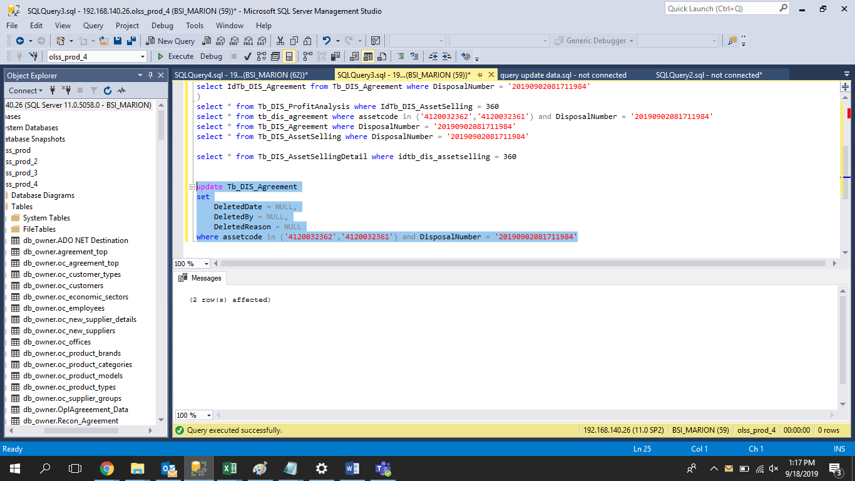

update Tb_DIS_Agreement
set
 | DeletedDate = NULL,
 | DeletedBy = NULL,
 | DeletedReason = NULL
where assetcode in ('4120032362','4120032361') and DisposalNumber = '20190902081711984'

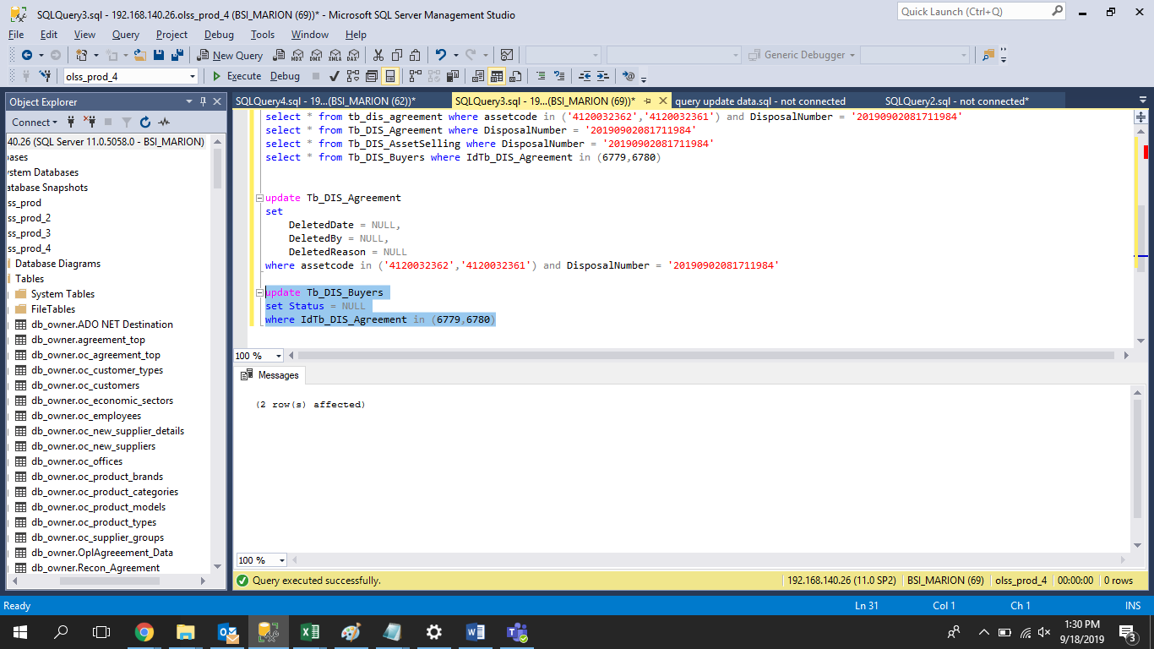
update Tb_DIS_Buyers
set Status = NULL
where IdTb_DIS_Agreement in (6779,6780)

Screenshot
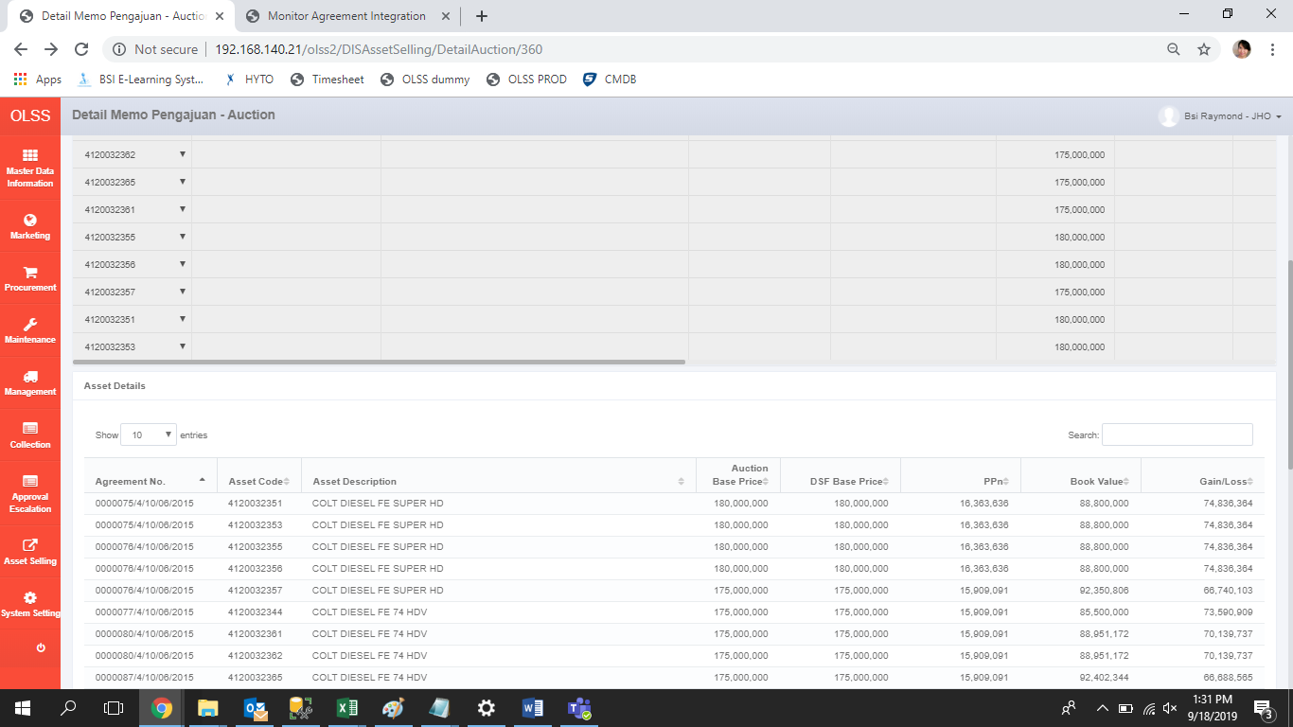
BEFORE
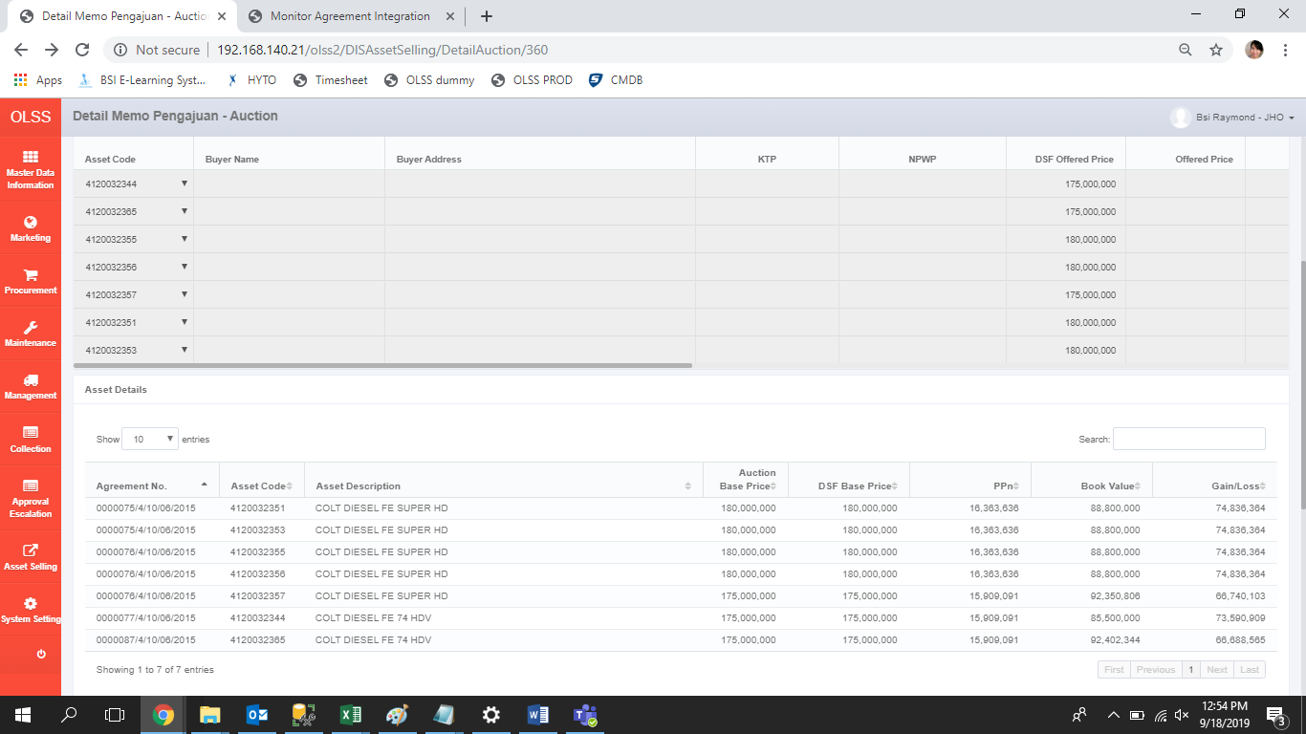

AFTER

